Packing List
Photo | Brand | Gender | Macrocategory | Subcategory | Loc | Season | EAN | SKU | Article name | Colour | SIZE | Made In | Material Composition | Qty | Whs | tot whl | RRP
 | Armani Exchange | Men | Clothing | Crewneck Sweatshirts | 400.00 | Spring/Summer | 8059972434537 | 3GZM72ZJF5Z-1100-L | Men Sweatshirt | White | L | Italy | 100% Cotton | 1 | 48.00 | 48.00 | 120.00
 | Armani Exchange | Men | Clothing | Denim | 240.00 | Spring/Summer | 8058984639084 | 3Y6J066D1XZ-1500-34 | Denim pants |  | 34 | China | 100% Cotton | 1 | 66.00 | 66.00 | 165.00
 | Armani Exchange | Women | Clothing | Jackets | 150.00 | Spring/Summer | 0470012386834 | 3YYG73YJG6Z-1510-S | Jacket | Navy | S | China | 100% Polyester | 1 | 45.60 | 45.60 | 114.00
 | Armani Exchange | Women | Clothing | Denim | 267.00 | Spring/Summer | 8057019750121 | 3YYJ69Y3AHZ-1500-30 | 5 Pockets Pants | Denim | 30 | China | 100% Cotton | 1 | 46.00 | 46.00 | 115.00
 | Armani Exchange | Women | Clothing | Dresses | 240.00 | Spring/Summer | 0470012582557 | 3YYMAGYJC7Z-1100-S | Dress |  | S |  |  | 1 | 172.00 | 172.00 | 430.00
 | Armani Exchange | Women | Clothing | Tank Top | 150.00 | Spring/Summer | 0470012401766 | 3YYTFMYJA8Z-1100-XXL | Tank top | White | XXL | Vietnam | 100% Cotton | 1 | 8.00 | 8.00 | 20.00
 | Armani Exchange | Women | Clothing | Dresses | 240.00 | Spring/Summer | 0470012442684 | 3Z2A6C2JFAZ-0911-40 | Dress |  | 40 |  |  | 2 | 172.00 | 344.00 | 430.00
 | Armani Exchange | Women | Clothing | Dresses | 240.00 | Spring/Summer | 0470013223213 | 3Z2A732N08Z-0316-38 | Dress |  | 38 |  |  | 2 | 112.00 | 224.00 | 280.00
 | Armani Exchange | Women | Clothing | Pants | 290.00 | Spring/Summer | 8054523709591 | 3ZGP74YJL7Z-1427-10A | Pants | Red | 10A | Cambodia | 100% Polyester | 1 | 32.00 | 32.00 | 80.00
 | Armani Exchange | Women | Clothing | Dresses | 267.00 | Spring/Summer | 8054523711808 | 3ZYA04YNMBZ-1200-2 | Dress | Black | 2 | China | 60% Viscose 40% Polyester | 1 | 66.00 | 66.00 | 165.00
 | Armani Exchange | Women | Clothing | Dresses | 267.00 | Spring/Summer | 8054523716261 | 3ZYA36YNBBZ-1825-6 | Dress | Blue | 6 | China | 100% Linen | 1 | 64.00 | 64.00 | 160.00
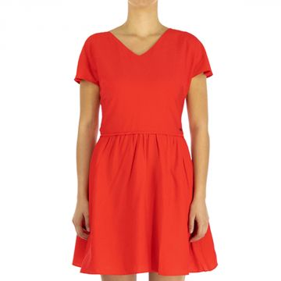 | Armani Exchange | Women | Clothing | Dresses | 150.00 | Spring/Summer | 0470013441655 | 3ZYA39YNCBZ-1427-10 | Dress | Red | 10 | China | 100% Viscose | 2 | 60.00 | 120.00 | 150.00
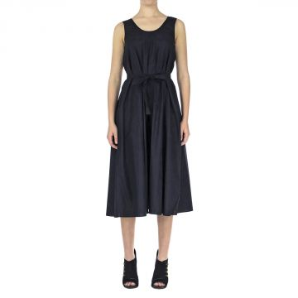 | Armani Exchange | Women | Clothing | Dresses | 150.00 | Spring/Summer | 0470013905683 | 3ZYA40YNCCZ-1200-4 | Dress | Black | 4 | Cambodia | 100% Cotton | 1 | 60.00 | 60.00 | 150.00
 | Armani Exchange | Women | Clothing | Dresses | 150.00 | Spring/Summer | 0470013905614 | 3ZYA40YNCCZ-1200-8 | Dress | Black | 8 | Cambodia | 100% Cotton | 1 | 60.00 | 60.00 | 150.00
 | Armani Exchange | Women | Clothing | Tracksuits | 150.00 | Spring/Summer | 0470012982241 | 3ZYA85YJJ5Z-0525-S | Jumpsuit | Navy | S | China | 100% Viscose | 1 | 62.00 | 62.00 | 155.00
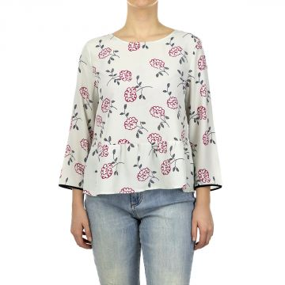 | Armani Exchange | Women | Clothing | Blouses | 150.00 | Spring/Summer | 0470013417292 | 3ZYH05YNBNZ-0975-L | Blouse | Grey | L | China | 100% Polyester | 6 | 40.00 | 240.00 | 100.00
 | Armani Exchange | Women | Clothing | Blouses | 150.00 | Spring/Summer | 0470013300556 | 3ZYH05YNBNZ-0975-M | Blouse | Grey | M | China | 100% Polyester | 4 | 40.00 | 160.00 | 100.00
 | Armani Exchange | Women | Clothing | Blouses | 150.00 | Spring/Summer | 0470013417179 | 3ZYH05YNBNZ-0975-S | Blouse | Grey | S | China | 100% Polyester | 4 | 40.00 | 160.00 | 100.00
 | Armani Exchange | Women | Clothing | Blouses | 150.00 | Spring/Summer | 0470013417193 | 3ZYH05YNBNZ-0975-XL | Blouse | Grey | XL | China | 100% Polyester | 4 | 40.00 | 160.00 | 100.00
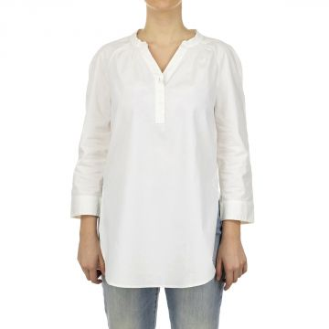 | Armani Exchange | Women | Clothing | Blouses | 150.00 | Spring/Summer | 0470013120888 | 3ZYH07YNP9Z-1100-L | Blusa | White | L | Cambodia | 100% Cotton | 1 | 40.00 | 40.00 | 100.00
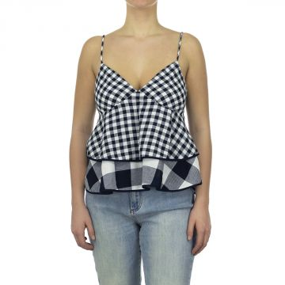 | Armani Exchange | Women | Clothing | Tops | 267.00 | Spring/Summer | 8054523728066 | 3ZYH34YNBVZ-4501-L | Top | Multicolor | L | China | 100% Cotton | 1 | 42.00 | 42.00 | 105.00
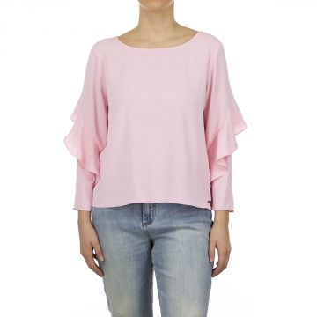 | Armani Exchange | Women | Clothing | Blouses | 150.00 | Spring/Summer | 0470013417339 | 3ZYH41YNCEZ-1432-M | Blusa | Pink | M | China | 100% Polyester | 1 | 42.00 | 42.00 | 105.00
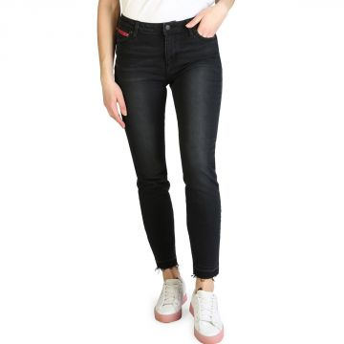 | Armani Exchange | Women | Clothing | Denim | 290.00 | Spring/Summer | 8054523730502 | 3ZYJ05Y2CCZ-0204-28 | 5 Pockets Pants | Black | 28 | Cambodia | 100% Cotton | 1 | 48.00 | 48.00 | 120.00
 | Armani Exchange | Women | Clothing | Denim | 290.00 | Spring/Summer | 8054523733572 | 3ZYJ59Y2ECZ-0102-25 | 5 Pockets Pants | White | 25 | China | 100% Cotton | 1 | 36.00 | 36.00 | 90.00
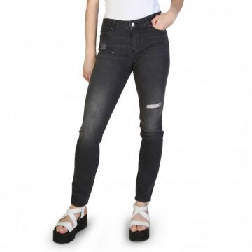 | Armani Exchange | Women | Clothing | Denim | 290.00 | Spring/Summer | 8054523735118 | 3ZYJ69Y2CDZ-0903-29 | 5 Pockets Pants | Grey | 29 | Cambodia | 100% Cotton | 1 | 46.00 | 46.00 | 115.00
 | Armani Exchange | Women | Clothing | Denim | 150.00 | Spring/Summer | 0470013439782 | 3ZYJ69Y2JCZ-1500-24 | 5 Pockets Pants | Denim | 24 | Tunisia | 100% Cotton | 1 | 46.00 | 46.00 | 115.00
 | Armani Exchange | Women | Clothing | Coats | 150.00 | Spring/Summer | 0470013904341 | 3ZYK13YNAEZ-2281-L | Caban Coat | Black | L | China | 100% Cotton | 1 | 104.00 | 104.00 | 260.00
 | Armani Exchange | Women | Clothing | Short Sleeve T-shirts | 150.00 | Spring/Summer | 0470012748601 | 3ZYMANYJD2Z-1100-S | T-Shirt | White | S | China | 100% Cotton | 1 | 30.00 | 30.00 | 75.00
 | Armani Exchange | Women | Clothing | Short Sleeve T-shirts | 150.00 | Spring/Summer | 0470013667970 | 3ZYMANYJD2Z-1100-XL | T-Shirt | White | XL | China | 100% Cotton | 1 | 30.00 | 30.00 | 75.00
 | Armani Exchange | Women | Clothing | Tops | 150.00 | Spring/Summer | 0470013451746 | 3ZYMBKYJR5Z-0627-M | Top | Gold | M | Morocco | 100% Polyester | 1 | 38.00 | 38.00 | 95.00
 | Armani Exchange | Women | Clothing | Pants | 267.00 | Spring/Summer | 8054523745520 | 3ZYP18YNAZZ-1100-4 | Trousers | White | 4 | China | 100% Polyester | 2 | 54.00 | 108.00 | 135.00
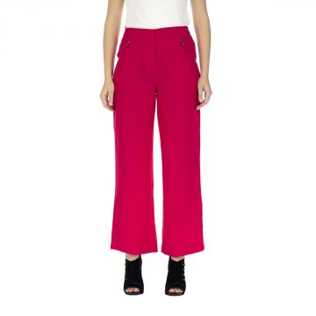 | Armani Exchange | Women | Clothing | Pants | 140.00 | Spring/Summer | 8054523746343 | 3ZYP24YN34Z-1428-8 | Trousers | Pink | 8 | China | 100% Polyester | 1 | 46.00 | 46.00 | 115.00
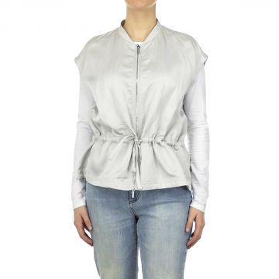 | Armani Exchange | Women | Clothing | Sleeveless Jacket | 150.00 | Spring/Summer | 0470013728497 | 3ZYQ02YNBFZ-0908-XL | Sleeveless Jacket | SIlver | XL | China | 100% Viscose | 1 | 56.00 | 56.00 | 140.00
 | Armani Exchange | Women | Clothing | Shorts | 267.00 | Spring/Summer | 8054523749580 | 3ZYS02YNBDZ-2280-14 | Shorts | Black | 14 | China | 100% Polyester | 1 | 38.00 | 38.00 | 95.00
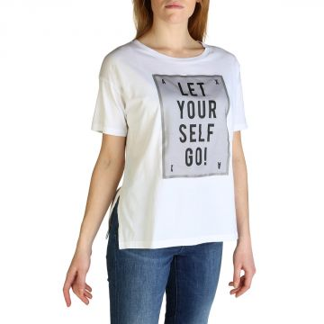 | Armani Exchange | Women | Clothing | Short Sleeve T-shirts | 290.00 | Spring/Summer | 8054523751101 | 3ZYTACYJA8Z-1100-M | T-Shirt | White | M | Cambodia | 100% Cotton | 1 | 18.00 | 18.00 | 45.00
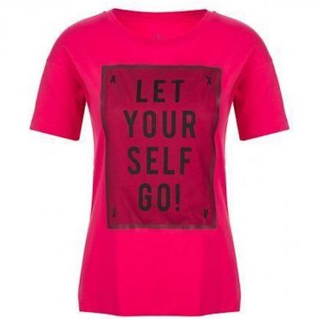 | Armani Exchange | Women | Clothing | Short Sleeve T-shirts | 290.00 | Spring/Summer | 8054523577121 | 3ZYTACYJA8Z-1428-M | T-Shirt | Fucsia | M | Cambodia | 100% Cotton | 1 | 18.00 | 18.00 | 45.00
 | Armani Exchange | Women | Clothing | Short Sleeve T-shirts | 290.00 | Spring/Summer | 8054523577145 | 3ZYTACYJA8Z-1428-XL | T-Shirt | Fucsia | XL | Cambodia | 100% Cotton | 1 | 18.00 | 18.00 | 45.00
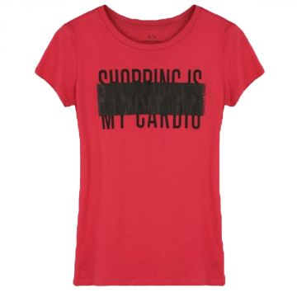 | Armani Exchange | Women | Clothing | Short Sleeve T-shirts | 290.00 | Spring/Summer | 8054523752788 | 3ZYTAKYJM3Z-1428-M | T-Shirt | Red | M | Mauritius | 100% Cotton | 1 | 18.00 | 18.00 | 45.00
 | Armani Exchange | Women | Clothing | Short Sleeve T-shirts | 290.00 | Spring/Summer | 8054523752818 | 3ZYTAKYJM3Z-1428-XS | T-Shirt | Red | XS | Mauritius | 100% Cotton | 1 | 18.00 | 18.00 | 45.00
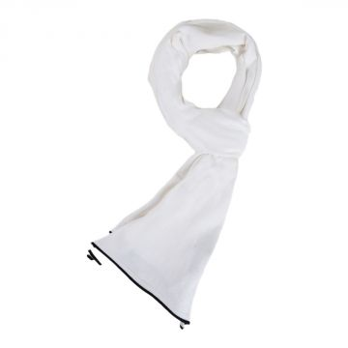 | Armani Exchange | Men | Accessories | Scarves | 290.00 | Spring/Summer | 8054523876033 | 3ZZ475ZMB1Z-1100-OS | Scarf | White | One Size | Bangladesh | 100% Cotton | 1 | 18.00 | 18.00 | 45.00
 | Armani Exchange | Men | Accessories | Scarves | 150.00 | Spring/Summer | 0470013312078 | 3ZZ478ZND0Z-2110-OS | Scarf | White | One Size | China | 100% Cotton | 4 | 28.00 | 112.00 | 70.00
 | Armani Exchange | Men | Accessories | Scarves | 150.00 | Spring/Summer | 0470013301508 | 3ZZ478ZND0Z-2500-OS | Scarf | White | One Size | China | 100% Cotton | 3 | 28.00 | 84.00 | 70.00
 | Armani Exchange | Men | Clothing | Jackets | 150.00 | Spring/Summer | 0470013416103 | 3ZZB80ZJT4Z-1510-XXL | Jacket | Navy | XXL | China | 100% Polyester | 1 | 72.00 | 72.00 | 180.00
 | Armani Exchange | Men | Clothing | Shirts | 150.00 | Spring/Summer | 0470013463749 | 3ZZC51ZNDFZ-1500-L | Shirt | Denim | L | Cambodia | 100% Cotton | 3 | 32.00 | 96.00 | 80.00
 | Armani Exchange | Men | Clothing | Shirts | 150.00 | Spring/Summer | 0470013453368 | 3ZZC51ZNDFZ-1500-M | Shirt | Denim | M | Cambodia | 100% Cotton | 2 | 32.00 | 64.00 | 80.00
 | Armani Exchange | Men | Clothing | Shirts | 150.00 | Spring/Summer | 0470013453306 | 3ZZC51ZNDFZ-1500-XXL | Shirt | Denim | XXL | Cambodia | 100% Cotton | 1 | 32.00 | 32.00 | 80.00
 | Armani Exchange | Men | Clothing | Shirts | 150.00 | Spring/Summer | 0470013904280 | 3ZZC63ZNDMZ-0137-S | Shirt | Blue | S | Cambodia | 100% Cotton | 1 | 32.00 | 32.00 | 80.00
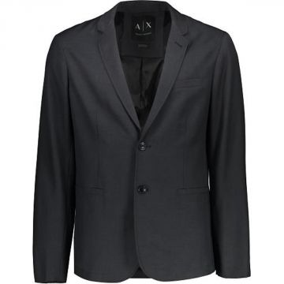 | Armani Exchange | Men | Clothing | Blazers | 290.00 | Spring/Summer | 8054523821828 | 3ZZG01ZNV0Z-3918-40 | Blazer | Grey | 40 | Vietnam | 100% Polyester | 1 | 80.00 | 80.00 | 200.00
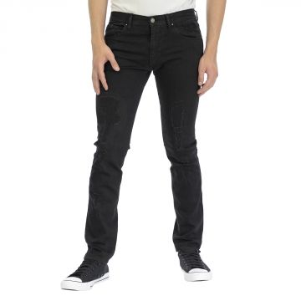 | Armani Exchange | Men | Clothing | Denim | 290.00 | Spring/Summer | 8054523824294 | 3ZZJ13Z1AAZ-1200-31 | 5 Pockets Pants | Black | 31 | China | 100% Cotton | 1 | 44.00 | 44.00 | 110.00
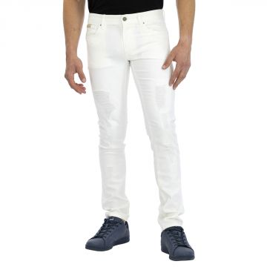 | Armani Exchange | Men | Clothing | Denim | 150.00 | Spring/Summer | 0470013450862 | 3ZZJ14Z1AAZ-1100-28 | 5 Pockets Pants | White | 28 | China | 100% Cotton | 2 | 44.00 | 88.00 | 110.00
 | Armani Exchange | Men | Clothing | Denim | 290.00 | Spring/Summer | 8054523826885 | 3ZZJ14Z1AAZ-1100-30 | 5 Pockets Pants | White | 30 | China | 100% Cotton | 2 | 44.00 | 88.00 | 110.00
 | Armani Exchange | Men | Clothing | Denim | 290.00 | Spring/Summer | 8054523826908 | 3ZZJ14Z1AAZ-1100-32 | 5 Pockets Pants | White | 32 | China | 100% Cotton | 3 | 44.00 | 132.00 | 110.00
 | Armani Exchange | Men | Clothing | Denim | 290.00 | Spring/Summer | 8054523826915 | 3ZZJ14Z1AAZ-1100-33 | 5 Pockets Pants | White | 33 | China | 100% Cotton | 1 | 44.00 | 44.00 | 110.00
 | Armani Exchange | Men | Clothing | Denim | 290.00 | Spring/Summer | 8054523826922 | 3ZZJ14Z1AAZ-1100-34 | 5 Pockets Pants | White | 34 | China | 100% Cotton | 2 | 44.00 | 88.00 | 110.00
 | Armani Exchange | Men | Clothing | Denim | 290.00 | Spring/Summer | 8054523826946 | 3ZZJ14Z1AAZ-1100-38 | 5 Pockets Pants | White | 38 | China | 100% Cotton | 2 | 44.00 | 88.00 | 110.00
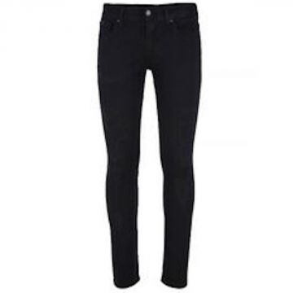 | Armani Exchange | Men | Clothing | Denim | 290.00 | Spring/Summer | 8054523827004 | 3ZZJ14Z1AAZ-1200-32 | 5 Pockets Pants | Black | 32 | China | 100% Cotton | 1 | 44.00 | 44.00 | 110.00
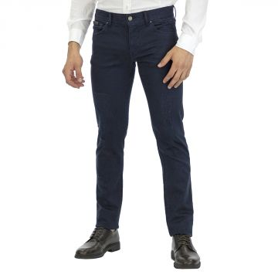 | Armani Exchange | Men | Clothing | Denim | 290.00 | Spring/Summer | 8054523827196 | 3ZZJ14Z1AAZ-1510-31 | 5 Pockets Pants | Navy | 31 | China | 100% Cotton | 1 | 44.00 | 44.00 | 110.00
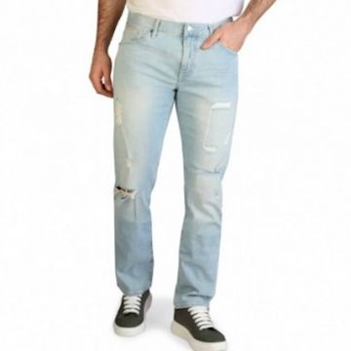 | Armani Exchange | Men | Clothing | Denim | 290.00 | Spring/Summer | 8054523829589 | 3ZZJ16Z2ZCZ-1500-30 | 5 Pockets Pants | Denim | 30 | Mauritius | 100% Cotton | 1 | 52.00 | 52.00 | 130.00
 | Armani Exchange | Men | Clothing | Short Sleeve T-shirts | 150.00 | Spring/Summer | 0470013904303 | 3ZZMAEZJQ1Z-2117-S | T-Shirt | White | S | China | 100% Cotton | 2 | 24.00 | 48.00 | 60.00
 | Armani Exchange | Men | Clothing | Short Sleeve T-shirts | 150.00 | Spring/Summer | 0470013904310 | 3ZZMAEZJQ1Z-2117-XXL | T-Shirt | White | XXL | China | 100% Cotton | 1 | 24.00 | 24.00 | 60.00
 | Armani Exchange | Men | Clothing | Crewneck Sweatshirts | 150.00 | Spring/Summer | 0470013303892 | 3ZZMAQZJQ2Z-1200-S | Sweatshirt | Black | S | China | 100% Cotton | 1 | 48.00 | 48.00 | 120.00
 | Armani Exchange | Men | Clothing | Crewneck Sweatshirts | 290.00 | Spring/Summer | 8055185474186 | 3ZZMDCZJW1Z-1510-S | Felpa | Navy | S | Mauritius | 100% Cotton | 1 | 52.00 | 52.00 | 130.00
 | Armani Exchange | Men | Clothing | Pants | 150.00 | Spring/Summer | 0470013904402 | 3ZZP05ZNACZ-1100-36 | Pants | White | 36 | China | 100% Cotton | 1 | 40.00 | 40.00 | 100.00
 | Armani Exchange | Men | Clothing | Pants | 267.00 | Spring/Summer | 8054703921249 | 3ZZP40ZN24Z-1510-30 | Trousers | Blue | 30 | China | 100% Cotton | 2 | 44.00 | 88.00 | 110.00
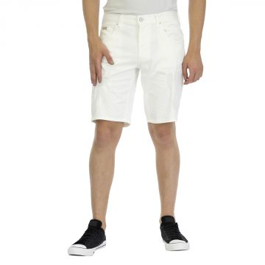 | Armani Exchange | Men | Clothing | Shorts | 290.00 | Spring/Summer | 8054523850163 | 3ZZS14Z1AAZ-1100-28 | Shorts | White | 28 | China | 100% Cotton | 24 | 38.00 | 912.00 | 95.00
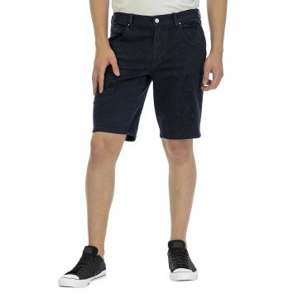 | Armani Exchange | Men | Clothing | Shorts | 290.00 | Spring/Summer | 8054523850477 | 3ZZS14Z1AAZ-1510-29 | Shorts | Navy | 29 | China | 100% Cotton | 20 | 38.00 | 760.00 | 95.00
 | Armani Exchange | Men | Clothing | Shorts | 290.00 | Spring/Summer | 8054523850484 | 3ZZS14Z1AAZ-1510-30 | Shorts | Navy | 30 | China | 100% Cotton | 20 | 38.00 | 760.00 | 95.00
 | Armani Exchange | Men | Clothing | Shorts | 290.00 | Spring/Summer | 8054523850491 | 3ZZS14Z1AAZ-1510-31 | Shorts | Navy | 31 | China | 100% Cotton | 4 | 38.00 | 152.00 | 95.00
 | Armani Exchange | Men | Clothing | Shorts | 290.00 | Spring/Summer | 8054523850514 | 3ZZS14Z1AAZ-1510-33 | Shorts | Navy | 33 | China | 100% Cotton | 20 | 38.00 | 760.00 | 95.00
 | Armani Exchange | Men | Clothing | Shorts | 290.00 | Spring/Summer | 8054523850521 | 3ZZS14Z1AAZ-1510-34 | Shorts | Navy | 34 | China | 100% Cotton | 1 | 38.00 | 38.00 | 95.00
 | Armani Exchange | Men | Clothing | Blazers | 267.00 | Fall/Winter | 8056685172497 | 6XZG17ZND8Z-1510-42 | Blazer | Blue | 42 | China | 100% Cotton | 1 | 73.00 | 73.00 | 182.50
 | Armani Exchange | Men | Clothing | Blazers | 267.00 | Fall/Winter | 8056685172503 | 6XZG17ZND8Z-1510-44 | Blazer | Blue | 44 | China | 100% Cotton | 1 | 73.00 | 73.00 | 182.50
 | Armani Exchange | Men | Clothing | Denim | 267.00 | Fall/Winter | 8051518449814 | 6YZJ13Z1ZAZ-1500-30 | 5 Pockets Pants | Denim | 30 | Mauritius | 100% Cotton | 1 | 47.20 | 47.20 | 118.00
 | Armani Exchange | Men | Clothing | Denim | 267.00 | Fall/Winter | 8051518450124 | 6YZJ14Z1ZBZ-0903-36 | 5 Pockets Pants | Denim | 36 | Mauritius | 100% Cotton | 1 | 43.60 | 43.60 | 109.00
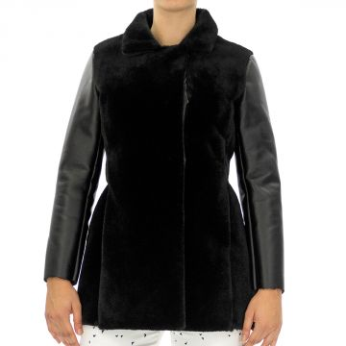 | Armani Exchange | Women | Clothing | Jackets | 280.00 | Fall/Winter | 8054524074681 | 6ZGK57YNFSZ-1200-10A | Caban Coat | Black | 10A | China | 100% Polyester | 2 | 96.00 | 192.00 | 240.00
 | Armani Exchange | Women | Clothing | Jackets | 280.00 | Fall/Winter | 8054524074698 | 6ZGK57YNFSZ-1200-12A | Caban Coat | Black | 12A | China | 100% Polyester | 2 | 96.00 | 192.00 | 240.00
 | Armani Exchange | Women | Clothing | Jackets | 280.00 | Fall/Winter | 8054524074728 | 6ZGK57YNFSZ-1200-8A | Caban Coat | Black | 8A | China | 100% Polyester | 1 | 96.00 | 96.00 | 240.00
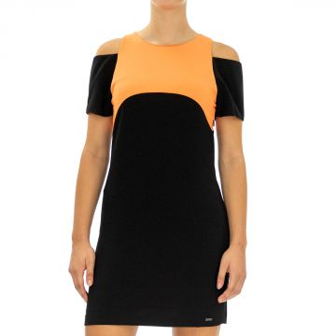 | Armani Exchange | Women | Clothing | Dresses | 280.00 | Fall/Winter | 8054524026109 | 6ZYA05YNDUZ-1200-0 | Dress | Orange | 0 | Italy | 100% Polyester | 1 | 52.00 | 52.00 | 130.00
 | Armani Exchange | Women | Clothing | Dresses | 280.00 | Fall/Winter | 8054524026116 | 6ZYA05YNDUZ-1200-10 | Dress | Orange | 10 | Italy | 100% Polyester | 1 | 52.00 | 52.00 | 130.00
 | Armani Exchange | Women | Clothing | Dresses | 280.00 | Fall/Winter | 8054524026147 | 6ZYA05YNDUZ-1200-2 | Dress | Orange | 2 | Italy | 100% Polyester | 1 | 52.00 | 52.00 | 130.00
 | Armani Exchange | Women | Clothing | Dresses | 280.00 | Fall/Winter | 8054524026154 | 6ZYA05YNDUZ-1200-4 | Dress | Orange | 4 | Italy | 100% Polyester | 2 | 52.00 | 104.00 | 130.00
 | Armani Exchange | Women | Clothing | Dresses | 280.00 | Fall/Winter | 8054524026161 | 6ZYA05YNDUZ-1200-6 | Dress | Orange | 6 | Italy | 100% Polyester | 2 | 52.00 | 104.00 | 130.00
 | Armani Exchange | Women | Clothing | Dresses | 280.00 | Fall/Winter | 8054524026178 | 6ZYA05YNDUZ-1200-8 | Dress | Orange | 8 | Italy | 100% Polyester | 1 | 52.00 | 52.00 | 130.00
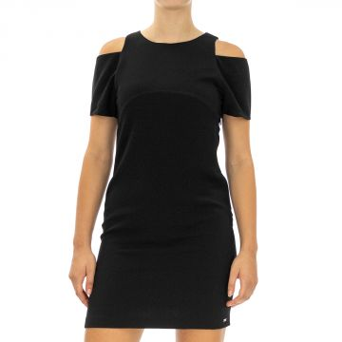 | Armani Exchange | Women | Clothing | Dresses | 280.00 | Fall/Winter | 8055185211484 | 6ZYA05YNDUZ-1202-10 | Dress | Black | 10 | Italy | 100% Polyester | 1 | 52.00 | 52.00 | 130.00
 | Armani Exchange | Women | Clothing | Dresses | 280.00 | Fall/Winter | 8055185211491 | 6ZYA05YNDUZ-1202-12 | Dress | Black | 12 | Italy | 100% Polyester | 1 | 52.00 | 52.00 | 130.00
 | Armani Exchange | Women | Clothing | Dresses | 280.00 | Fall/Winter | 8055185211514 | 6ZYA05YNDUZ-1202-2 | Dress | Black | 2 | Italy | 100% Polyester | 1 | 52.00 | 52.00 | 130.00
 | Armani Exchange | Women | Clothing | Dresses | 280.00 | Fall/Winter | 8055185211521 | 6ZYA05YNDUZ-1202-4 | Dress | Black | 4 | Italy | 100% Polyester | 3 | 52.00 | 156.00 | 130.00
 | Armani Exchange | Women | Clothing | Dresses | 280.00 | Fall/Winter | 8055185211538 | 6ZYA05YNDUZ-1202-6 | Dress | Black | 6 | Italy | 100% Polyester | 3 | 52.00 | 156.00 | 130.00
 | Armani Exchange | Women | Clothing | Dresses | 280.00 | Fall/Winter | 8055185211545 | 6ZYA05YNDUZ-1202-8 | Dress | Black | 8 | Italy | 100% Polyester | 3 | 52.00 | 156.00 | 130.00
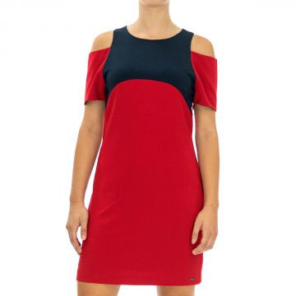 | Armani Exchange | Women | Clothing | Dresses | 280.00 | Fall/Winter | 8054524026192 | 6ZYA05YNDUZ-1445-10 | Dress | Red | 10 | Italy | 100% Polyester | 2 | 52.00 | 104.00 | 130.00
 | Armani Exchange | Women | Clothing | Dresses | 280.00 | Fall/Winter | 8054524026222 | 6ZYA05YNDUZ-1445-2 | Dress | Red | 2 | Italy | 100% Polyester | 1 | 52.00 | 52.00 | 130.00
 | Armani Exchange | Women | Clothing | Dresses | 280.00 | Fall/Winter | 8054524026239 | 6ZYA05YNDUZ-1445-4 | Dress | Red | 4 | Italy | 100% Polyester | 4 | 52.00 | 208.00 | 130.00
 | Armani Exchange | Women | Clothing | Dresses | 280.00 | Fall/Winter | 8054524026246 | 6ZYA05YNDUZ-1445-6 | Dress | Red | 6 | Italy | 100% Polyester | 6 | 52.00 | 312.00 | 130.00
 | Armani Exchange | Women | Clothing | Dresses | 280.00 | Fall/Winter | 8054524026253 | 6ZYA05YNDUZ-1445-8 | Dress | Red | 8 | Italy | 100% Polyester | 3 | 52.00 | 156.00 | 130.00
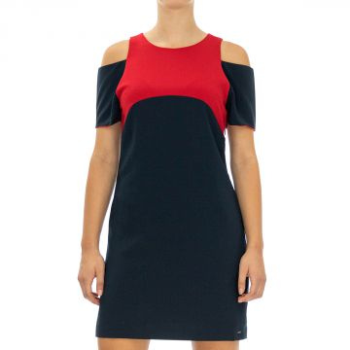 | Armani Exchange | Women | Clothing | Dresses | 280.00 | Fall/Winter | 8054524026277 | 6ZYA05YNDUZ-1510-10 | Dress | Blue | 10 | Italy | 100% Polyester | 4 | 52.00 | 208.00 | 130.00
 | Armani Exchange | Women | Clothing | Dresses | 280.00 | Fall/Winter | 8054524026284 | 6ZYA05YNDUZ-1510-12 | Dress | Blue | 12 | Italy | 100% Polyester | 1 | 52.00 | 52.00 | 130.00
 | Armani Exchange | Women | Clothing | Dresses | 280.00 | Fall/Winter | 8054524026314 | 6ZYA05YNDUZ-1510-4 | Dress | Blue | 4 | Italy | 100% Polyester | 1 | 52.00 | 52.00 | 130.00
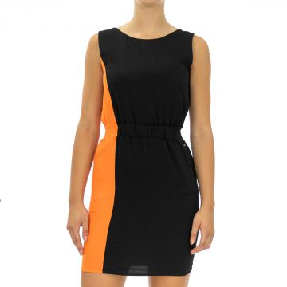 | Armani Exchange | Women | Clothing | Dresses | 280.00 | Fall/Winter | 8054524026598 | 6ZYA08YNEPZ-1200-10 | Dress | Black | 10 | Morocco | 100% Polyester | 3 | 50.00 | 150.00 | 125.00
 | Armani Exchange | Women | Clothing | Dresses | 280.00 | Fall/Winter | 8054524026604 | 6ZYA08YNEPZ-1200-12 | Dress | Black | 12 | Morocco | 100% Polyester | 2 | 50.00 | 100.00 | 125.00
 | Armani Exchange | Women | Clothing | Dresses | 280.00 | Fall/Winter | 8054524026628 | 6ZYA08YNEPZ-1200-2 | Dress | Black | 2 | Morocco | 100% Polyester | 5 | 50.00 | 250.00 | 125.00
 | Armani Exchange | Women | Clothing | Dresses | 280.00 | Fall/Winter | 8054524026642 | 6ZYA08YNEPZ-1200-6 | Dress | Black | 6 | Morocco | 100% Polyester | 7 | 50.00 | 350.00 | 125.00
 | Armani Exchange | Women | Clothing | Dresses | 280.00 | Fall/Winter | 8054524026659 | 6ZYA08YNEPZ-1200-8 | Dress | Black | 8 | Morocco | 100% Polyester | 3 | 50.00 | 150.00 | 125.00
 | Armani Exchange | Women | Clothing | Dresses | 280.00 | Fall/Winter | 8054524026758 | 6ZYA08YNEPZ-1510-10 | Dress | Blue | 10 | Morocco | 100% Polyester | 2 | 50.00 | 100.00 | 125.00
 | Armani Exchange | Women | Clothing | Dresses | 280.00 | Fall/Winter | 8054524026765 | 6ZYA08YNEPZ-1510-12 | Dress | Blue | 12 | Morocco | 100% Polyester | 1 | 50.00 | 50.00 | 125.00
 | Armani Exchange | Women | Clothing | Dresses | 280.00 | Fall/Winter | 8054524026789 | 6ZYA08YNEPZ-1510-2 | Dress | Blue | 2 | Morocco | 100% Polyester | 1 | 50.00 | 50.00 | 125.00
 | Armani Exchange | Women | Clothing | Dresses | 280.00 | Fall/Winter | 8054524026796 | 6ZYA08YNEPZ-1510-4 | Dress | Blue | 4 | Morocco | 100% Polyester | 3 | 50.00 | 150.00 | 125.00
 | Armani Exchange | Women | Clothing | Dresses | 280.00 | Fall/Winter | 8054524026802 | 6ZYA08YNEPZ-1510-6 | Dress | Blue | 6 | Morocco | 100% Polyester | 1 | 50.00 | 50.00 | 125.00
 | Armani Exchange | Women | Clothing | Dresses | 280.00 | Fall/Winter | 8054524026819 | 6ZYA08YNEPZ-1510-8 | Dress | Blue | 8 | Morocco | 100% Polyester | 2 | 50.00 | 100.00 | 125.00
 | Armani Exchange | Women | Clothing | Dresses | 280.00 | Fall/Winter | 8054524082570 | 6ZYA09YNFMZ-0498-10 | Dress | Pink | 10 | China | 100% Elastane | 2 | 58.00 | 116.00 | 145.00
 | Armani Exchange | Women | Clothing | Dresses | 280.00 | Fall/Winter | 8054524082587 | 6ZYA09YNFMZ-0498-12 | Dress | Pink | 12 | China | 100% Elastane | 2 | 58.00 | 116.00 | 145.00
 | Armani Exchange | Women | Clothing | Dresses | 280.00 | Fall/Winter | 8054524082600 | 6ZYA09YNFMZ-0498-2 | Dress | Pink | 2 | China | 100% Elastane | 2 | 58.00 | 116.00 | 145.00
 | Armani Exchange | Women | Clothing | Dresses | 280.00 | Fall/Winter | 8054524082617 | 6ZYA09YNFMZ-0498-4 | Dress | Pink | 4 | China | 100% Elastane | 5 | 58.00 | 290.00 | 145.00
 | Armani Exchange | Women | Clothing | Dresses | 280.00 | Fall/Winter | 8054524082624 | 6ZYA09YNFMZ-0498-6 | Dress | Pink | 6 | China | 100% Elastane | 4 | 58.00 | 232.00 | 145.00
 | Armani Exchange | Women | Clothing | Dresses | 280.00 | Fall/Winter | 8054524082631 | 6ZYA09YNFMZ-0498-8 | Dress | Pink | 8 | China | 100% Elastane | 5 | 58.00 | 290.00 | 145.00
 | Armani Exchange | Women | Clothing | Dresses | 280.00 | Fall/Winter | 8054524082761 | 6ZYA09YNFMZ-1200-2 | Dress | Black | 2 | China | 100% Elastane | 1 | 58.00 | 58.00 | 145.00
 | Armani Exchange | Women | Clothing | Dresses | 280.00 | Fall/Winter | 8054524082778 | 6ZYA09YNFMZ-1200-4 | Dress | Black | 4 | China | 100% Elastane | 2 | 58.00 | 116.00 | 145.00
 | Armani Exchange | Women | Clothing | Dresses | 280.00 | Fall/Winter | 8054524082785 | 6ZYA09YNFMZ-1200-6 | Dress | Black | 6 | China | 100% Elastane | 1 | 58.00 | 58.00 | 145.00
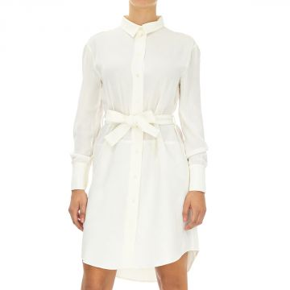 | Armani Exchange | Women | Clothing | Dresses | 280.00 | Fall/Winter | 8054524027106 | 6ZYA11YNGUZ-1107-2 | Dress | White | 2 | Morocco | 100% Polyester | 8 | 56.00 | 448.00 | 140.00
 | Armani Exchange | Women | Clothing | Dresses | 280.00 | Fall/Winter | 8054524027113 | 6ZYA11YNGUZ-1107-4 | Dress | White | 4 | Morocco | 100% Polyester | 6 | 56.00 | 336.00 | 140.00
 | Armani Exchange | Women | Clothing | Dresses | 280.00 | Fall/Winter | 8054524027120 | 6ZYA11YNGUZ-1107-6 | Dress | White | 6 | Morocco | 100% Polyester | 2 | 56.00 | 112.00 | 140.00
 | Armani Exchange | Women | Clothing | Dresses | 280.00 | Fall/Winter | 8054524027137 | 6ZYA11YNGUZ-1107-8 | Dress | White | 8 | Morocco | 100% Polyester | 1 | 56.00 | 56.00 | 140.00
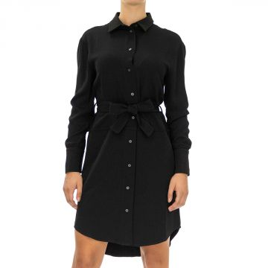 | Armani Exchange | Women | Clothing | Dresses | 280.00 | Fall/Winter | 8054524027182 | 6ZYA11YNGUZ-1200-2 | Dress | Black | 2 | Morocco | 100% Polyester | 1 | 56.00 | 56.00 | 140.00
 | Armani Exchange | Women | Clothing | Dresses | 280.00 | Fall/Winter | 8054524027205 | 6ZYA11YNGUZ-1200-6 | Dress | Black | 6 | Morocco | 100% Polyester | 7 | 56.00 | 392.00 | 140.00
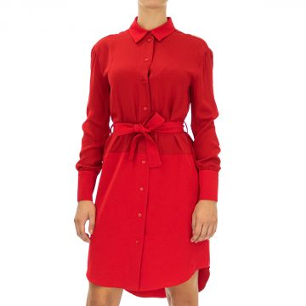 | Armani Exchange | Women | Clothing | Dresses | 280.00 | Fall/Winter | 8054524027267 | 6ZYA11YNGUZ-1445-2 | Dress | Red | 2 | Morocco | 100% Polyester | 1 | 56.00 | 56.00 | 140.00
 | Armani Exchange | Women | Clothing | Dresses | 280.00 | Fall/Winter | 8054524027274 | 6ZYA11YNGUZ-1445-4 | Dress | Red | 4 | Morocco | 100% Polyester | 3 | 56.00 | 168.00 | 140.00
 | Armani Exchange | Women | Clothing | Dresses | 280.00 | Fall/Winter | 8054524027281 | 6ZYA11YNGUZ-1445-6 | Dress | Red | 6 | Morocco | 100% Polyester | 1 | 56.00 | 56.00 | 140.00
 | Armani Exchange | Women | Clothing | Dresses | 280.00 | Fall/Winter | 8054524027298 | 6ZYA11YNGUZ-1445-8 | Dress | Red | 8 | Morocco | 100% Polyester | 3 | 56.00 | 168.00 | 140.00
 | Armani Exchange | Women | Clothing | Dresses | 280.00 | Fall/Winter | 8054524027359 | 6ZYA13YNFJZ-1200-4 | Dress | Black | 4 | Italy | 100% Polyester | 1 | 56.00 | 56.00 | 140.00
 | Armani Exchange | Women | Clothing | Dresses | 280.00 | Fall/Winter | 8054524027366 | 6ZYA13YNFJZ-1200-6 | Dress | Black | 6 | Italy | 100% Polyester | 1 | 56.00 | 56.00 | 140.00
 | Armani Exchange | Women | Clothing | Dresses | 280.00 | Fall/Winter | 8054524027465 | 6ZYA13YNFJZ-1445-0 | Dress | Red | 0 | Italy | 100% Polyester | 1 | 56.00 | 56.00 | 140.00
 | Armani Exchange | Women | Clothing | Dresses | 280.00 | Fall/Winter | 8054524027502 | 6ZYA13YNFJZ-1445-2 | Dress | Red | 2 | Italy | 100% Polyester | 4 | 56.00 | 224.00 | 140.00
 | Armani Exchange | Women | Clothing | Dresses | 150.00 | Fall/Winter | 0470013583645 | 6ZYA14YNFJZ-1200-10 | Dress | Black | 10 | Italy | 100% Polyester | 4 | 60.00 | 240.00 | 150.00
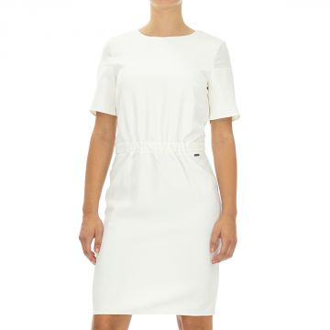 | Armani Exchange | Women | Clothing | Dresses | 280.00 | Fall/Winter | 8054524027953 | 6ZYA15YNFKZ-1107-10 | Dress | White | 10 | Morocco | 100% Polyester | 1 | 46.00 | 46.00 | 115.00
 | Armani Exchange | Women | Clothing | Dresses | 280.00 | Fall/Winter | 8054524027991 | 6ZYA15YNFKZ-1107-4 | Dress | White | 4 | Morocco | 100% Polyester | 1 | 46.00 | 46.00 | 115.00
 | Armani Exchange | Women | Clothing | Dresses | 280.00 | Fall/Winter | 8054524028004 | 6ZYA15YNFKZ-1107-6 | Dress | White | 6 | Morocco | 100% Polyester | 2 | 46.00 | 92.00 | 115.00
 | Armani Exchange | Women | Clothing | Dresses | 280.00 | Fall/Winter | 8054524028011 | 6ZYA15YNFKZ-1107-8 | Dress | White | 8 | Morocco | 100% Polyester | 3 | 46.00 | 138.00 | 115.00
 | Armani Exchange | Women | Clothing | Dresses | 280.00 | Fall/Winter | 8054524028028 | 6ZYA15YNFKZ-1200-0 | Dress | Black | 0 | Morocco | 100% Polyester | 2 | 46.00 | 92.00 | 115.00
 | Armani Exchange | Women | Clothing | Dresses | 280.00 | Fall/Winter | 8054524028035 | 6ZYA15YNFKZ-1200-10 | Dress | Black | 10 | Morocco | 100% Polyester | 16 | 46.00 | 736.00 | 115.00
 | Armani Exchange | Women | Clothing | Dresses | 280.00 | Fall/Winter | 8054524028042 | 6ZYA15YNFKZ-1200-12 | Dress | Black | 12 | Morocco | 100% Polyester | 5 | 46.00 | 230.00 | 115.00
 | Armani Exchange | Women | Clothing | Dresses | 280.00 | Fall/Winter | 8054524028059 | 6ZYA15YNFKZ-1200-14 | Dress | Black | 14 | Morocco | 100% Polyester | 1 | 46.00 | 46.00 | 115.00
 | Armani Exchange | Women | Clothing | Dresses | 280.00 | Fall/Winter | 8054524028066 | 6ZYA15YNFKZ-1200-2 | Dress | Black | 2 | Morocco | 100% Polyester | 7 | 46.00 | 322.00 | 115.00
 | Armani Exchange | Women | Clothing | Dresses | 280.00 | Fall/Winter | 8054524028073 | 6ZYA15YNFKZ-1200-4 | Dress | Black | 4 | Morocco | 100% Polyester | 16 | 46.00 | 736.00 | 115.00
 | Armani Exchange | Women | Clothing | Dresses | 280.00 | Fall/Winter | 8054524028080 | 6ZYA15YNFKZ-1200-6 | Dress | Black | 6 | Morocco | 100% Polyester | 15 | 46.00 | 690.00 | 115.00
 | Armani Exchange | Women | Clothing | Dresses | 280.00 | Fall/Winter | 8054524028097 | 6ZYA15YNFKZ-1200-8 | Dress | Black | 8 | Morocco | 100% Polyester | 43 | 46.00 | 1978.00 | 115.00
 | Armani Exchange | Women | Clothing | Dresses | 280.00 | Fall/Winter | 8054524028110 | 6ZYA15YNFKZ-1445-10 | Dress | Red | 10 | Morocco | 100% Polyester | 12 | 46.00 | 552.00 | 115.00
 | Armani Exchange | Women | Clothing | Dresses | 280.00 | Fall/Winter | 8054524028127 | 6ZYA15YNFKZ-1445-12 | Dress | Red | 12 | Morocco | 100% Polyester | 2 | 46.00 | 92.00 | 115.00
 | Armani Exchange | Women | Clothing | Dresses | 280.00 | Fall/Winter | 8054524028141 | 6ZYA15YNFKZ-1445-2 | Dress | Red | 2 | Morocco | 100% Polyester | 7 | 46.00 | 322.00 | 115.00
 | Armani Exchange | Women | Clothing | Dresses | 280.00 | Fall/Winter | 8054524028158 | 6ZYA15YNFKZ-1445-4 | Dress | Red | 4 | Morocco | 100% Polyester | 17 | 46.00 | 782.00 | 115.00
 | Armani Exchange | Women | Clothing | Dresses | 280.00 | Fall/Winter | 8054524028165 | 6ZYA15YNFKZ-1445-6 | Dress | Red | 6 | Morocco | 100% Polyester | 24 | 46.00 | 1104.00 | 115.00
 | Armani Exchange | Women | Clothing | Dresses | 280.00 | Fall/Winter | 8054524028172 | 6ZYA15YNFKZ-1445-8 | Dress | Red | 8 | Morocco | 100% Polyester | 15 | 46.00 | 690.00 | 115.00
 | Armani Exchange | Women | Clothing | Dresses | 150.00 | Fall/Winter | 0470012928171 | 6ZYA19YNGQZ-1200-4 | Dress | Black | 4 | Italy | 100% Polyester | 3 | 60.00 | 180.00 | 150.00
 | Armani Exchange | Women | Clothing | Dresses | 150.00 | Fall/Winter | 0470013564811 | 6ZYA19YNGQZ-1200-6 | Dress | Black | 6 | Italy | 100% Polyester | 10 | 60.00 | 600.00 | 150.00
 | Armani Exchange | Women | Clothing | Dresses | 150.00 | Fall/Winter | 0470013559510 | 6ZYA19YNGQZ-1200-8 | Dress | Black | 8 | Italy | 100% Polyester | 5 | 60.00 | 300.00 | 150.00
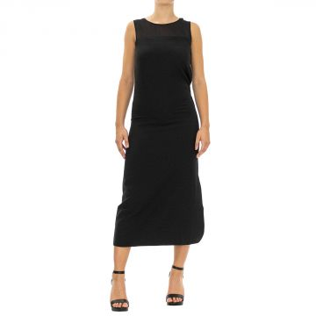 | Armani Exchange | Women | Clothing | Dresses | 280.00 | Fall/Winter | 8054524028356 | 6ZYA28YNFKZ-1200-10 | Dress | Black | 10 | Morocco | 100% Polyester | 1 | 46.00 | 46.00 | 115.00
 | Armani Exchange | Women | Clothing | Dresses | 280.00 | Fall/Winter | 8054524028363 | 6ZYA28YNFKZ-1200-12 | Dress | Black | 12 | Morocco | 100% Polyester | 1 | 46.00 | 46.00 | 115.00
 | Armani Exchange | Women | Clothing | Dresses | 280.00 | Fall/Winter | 8054524028387 | 6ZYA28YNFKZ-1200-2 | Dress | Black | 2 | Morocco | 100% Polyester | 2 | 46.00 | 92.00 | 115.00
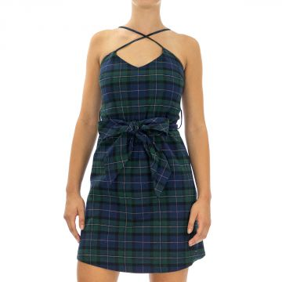 | Armani Exchange | Women | Clothing | Dresses | 280.00 | Fall/Winter | 8054524084680 | 6ZYA38YNFGZ-2289-10 | Dress | Multicolor | 10 | China | 100% Cotton | 1 | 54.00 | 54.00 | 135.00
 | Armani Exchange | Women | Clothing | Dresses | 280.00 | Fall/Winter | 8054524084703 | 6ZYA38YNFGZ-2289-14 | Dress | Multicolor | 14 | China | 100% Cotton | 1 | 54.00 | 54.00 | 135.00
 | Armani Exchange | Women | Clothing | Dresses | 280.00 | Fall/Winter | 8054524084734 | 6ZYA38YNFGZ-2289-6 | Dress | Multicolor | 6 | China | 100% Cotton | 1 | 54.00 | 54.00 | 135.00
 | Armani Exchange | Women | Clothing | Dresses | 280.00 | Fall/Winter | 8054524084741 | 6ZYA38YNFGZ-2289-8 | Dress | Multicolor | 8 | China | 100% Cotton | 6 | 54.00 | 324.00 | 135.00
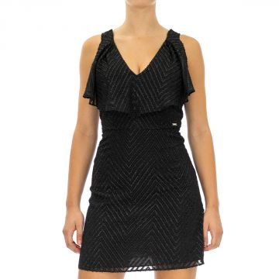 | Armani Exchange | Women | Clothing | Dresses | 280.00 | Fall/Winter | 8059972110172 | 6ZYA43YNLGZ-1200-0 | Dress | Black | 0 | China | 100% Polyester | 1 | 58.00 | 58.00 | 145.00
 | Armani Exchange | Women | Clothing | Dresses | 280.00 | Fall/Winter | 8059972110189 | 6ZYA43YNLGZ-1200-10 | Dress | Black | 10 | China | 100% Polyester | 4 | 58.00 | 232.00 | 145.00
 | Armani Exchange | Women | Clothing | Dresses | 280.00 | Fall/Winter | 8059972110196 | 6ZYA43YNLGZ-1200-12 | Dress | Black | 12 | China | 100% Polyester | 3 | 58.00 | 174.00 | 145.00
 | Armani Exchange | Women | Clothing | Dresses | 280.00 | Fall/Winter | 8059972110219 | 6ZYA43YNLGZ-1200-2 | Dress | Black | 2 | China | 100% Polyester | 2 | 58.00 | 116.00 | 145.00
 | Armani Exchange | Women | Clothing | Dresses | 280.00 | Fall/Winter | 8059972110226 | 6ZYA43YNLGZ-1200-4 | Dress | Black | 4 | China | 100% Polyester | 6 | 58.00 | 348.00 | 145.00
 | Armani Exchange | Women | Clothing | Dresses | 280.00 | Fall/Winter | 8059972110233 | 6ZYA43YNLGZ-1200-6 | Dress | Black | 6 | China | 100% Polyester | 9 | 58.00 | 522.00 | 145.00
 | Armani Exchange | Women | Clothing | Dresses | 280.00 | Fall/Winter | 8059972110240 | 6ZYA43YNLGZ-1200-8 | Dress | Black | 8 | China | 100% Polyester | 4 | 58.00 | 232.00 | 145.00
 | Armani Exchange | Women | Clothing | Dresses | 280.00 | Fall/Winter | 8054524084765 | 6ZYA52YNABZ-1200-10 | Dress | Black | 10 | China | 100% Polyester | 5 | 58.00 | 290.00 | 145.00
 | Armani Exchange | Women | Clothing | Dresses | 280.00 | Fall/Winter | 8054524084772 | 6ZYA52YNABZ-1200-12 | Dress | Black | 12 | China | 100% Polyester | 1 | 58.00 | 58.00 | 145.00
 | Armani Exchange | Women | Clothing | Dresses | 280.00 | Fall/Winter | 8054524084796 | 6ZYA52YNABZ-1200-2 | Dress | Black | 2 | China | 100% Polyester | 1 | 58.00 | 58.00 | 145.00
 | Armani Exchange | Women | Clothing | Dresses | 280.00 | Fall/Winter | 8054524084819 | 6ZYA52YNABZ-1200-6 | Dress | Black | 6 | China | 100% Polyester | 8 | 58.00 | 464.00 | 145.00
 | Armani Exchange | Women | Clothing | Dresses | 280.00 | Fall/Winter | 8054524084826 | 6ZYA52YNABZ-1200-8 | Dress | Black | 8 | China | 100% Polyester | 8 | 58.00 | 464.00 | 145.00
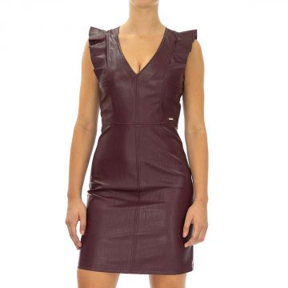 | Armani Exchange | Women | Clothing | Dresses | 280.00 | Fall/Winter | 8054524084925 | 6ZYA52YNABZ-1715-10 | Dress | Violet | 10 | China | 100% Polyester | 8 | 58.00 | 464.00 | 145.00
 | Armani Exchange | Women | Clothing | Dresses | 280.00 | Fall/Winter | 8054524084956 | 6ZYA52YNABZ-1715-2 | Dress | Violet | 2 | China | 100% Polyester | 1 | 58.00 | 58.00 | 145.00
 | Armani Exchange | Women | Clothing | Dresses | 280.00 | Fall/Winter | 8054524084963 | 6ZYA52YNABZ-1715-4 | Dress | Violet | 4 | China | 100% Polyester | 30 | 58.00 | 1740.00 | 145.00
 | Armani Exchange | Women | Clothing | Dresses | 280.00 | Fall/Winter | 8054524084970 | 6ZYA52YNABZ-1715-6 | Dress | Violet | 6 | China | 100% Polyester | 57 | 58.00 | 3306.00 | 145.00
 | Armani Exchange | Women | Clothing | Dresses | 280.00 | Fall/Winter | 8054524084987 | 6ZYA52YNABZ-1715-8 | Dress | Violet | 8 | China | 100% Polyester | 65 | 58.00 | 3770.00 | 145.00
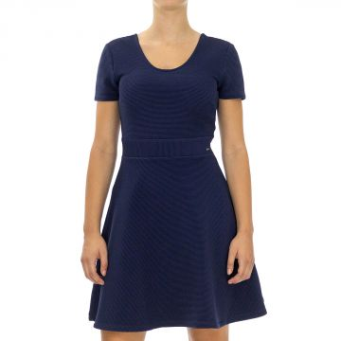 | Armani Exchange | Women | Clothing | Dresses | 280.00 | Fall/Winter | 8054524085229 | 6ZYA70YJT1Z-1554-L | Dress | Blue | L | China | 100% Polyester | 44 | 48.00 | 2112.00 | 120.00
 | Armani Exchange | Women | Clothing | Dresses | 280.00 | Fall/Winter | 8054524085236 | 6ZYA70YJT1Z-1554-M | Dress | Blue | M | China | 100% Polyester | 4 | 48.00 | 192.00 | 120.00
 | Armani Exchange | Women | Clothing | Dresses | 280.00 | Fall/Winter | 8054524085243 | 6ZYA70YJT1Z-1554-S | Dress | Blue | S | China | 100% Polyester | 1 | 48.00 | 48.00 | 120.00
 | Armani Exchange | Women | Clothing | Dresses | 280.00 | Fall/Winter | 8054524085250 | 6ZYA70YJT1Z-1554-XL | Dress | Blue | XL | China | 100% Polyester | 40 | 48.00 | 1920.00 | 120.00
 | Armani Exchange | Women | Clothing | Dresses | 280.00 | Fall/Winter | 8054524028745 | 6ZYA71YJK9Z-1200-L | Dress | Black | L | Morocco | 100% Viscose | 26 | 38.00 | 988.00 | 95.00
 | Armani Exchange | Women | Clothing | Dresses | 280.00 | Fall/Winter | 8054524028769 | 6ZYA71YJK9Z-1200-S | Dress | Black | S | Morocco | 100% Viscose | 2 | 38.00 | 76.00 | 95.00
 | Armani Exchange | Women | Clothing | Dresses | 280.00 | Fall/Winter | 8054524028776 | 6ZYA71YJK9Z-1200-XL | Dress | Black | XL | Morocco | 100% Viscose | 31 | 38.00 | 1178.00 | 95.00
 | Armani Exchange | Women | Clothing | Dresses | 280.00 | Fall/Winter | 8054524028790 | 6ZYA71YJK9Z-1445-L | Dress | Red | L | Morocco | 100% Viscose | 10 | 38.00 | 380.00 | 95.00
 | Armani Exchange | Women | Clothing | Dresses | 280.00 | Fall/Winter | 8054524028806 | 6ZYA71YJK9Z-1445-M | Dress | Red | M | Morocco | 100% Viscose | 2 | 38.00 | 76.00 | 95.00
 | Armani Exchange | Women | Clothing | Dresses | 280.00 | Fall/Winter | 8054524028820 | 6ZYA71YJK9Z-1445-XL | Dress | Red | XL | Morocco | 100% Viscose | 1 | 38.00 | 38.00 | 95.00
 | Armani Exchange | Women | Clothing | Dresses | 280.00 | Fall/Winter | 8054524028844 | 6ZYA71YJK9Z-1554-L | Dress | Blue | L | Morocco | 100% Viscose | 1 | 38.00 | 38.00 | 95.00
 | Armani Exchange | Women | Clothing | Dresses | 280.00 | Fall/Winter | 8054524028851 | 6ZYA71YJK9Z-1554-M | Dress | Blue | M | Morocco | 100% Viscose | 1 | 38.00 | 38.00 | 95.00
 | Armani Exchange | Women | Clothing | Dresses | 280.00 | Fall/Winter | 8054524028868 | 6ZYA71YJK9Z-1554-S | Dress | Blue | S | Morocco | 100% Viscose | 1 | 38.00 | 38.00 | 95.00
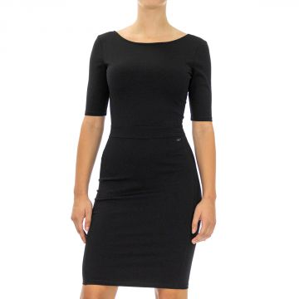 | Armani Exchange | Women | Clothing | Dresses | 280.00 | Fall/Winter | 8054524085298 | 6ZYA73YJF6Z-1200-S | Dress | Black | S | China | 100% Pa | 1 | 48.00 | 48.00 | 120.00
 | Armani Exchange | Women | Clothing | Dresses | 280.00 | Fall/Winter | 8054524085311 | 6ZYA73YJF6Z-1200-XS | Dress | Black | XS | China | 100% Pa | 1 | 48.00 | 48.00 | 120.00
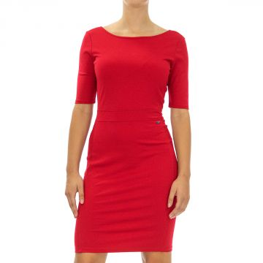 | Armani Exchange | Women | Clothing | Dresses | 280.00 | Fall/Winter | 8054524085342 | 6ZYA73YJF6Z-1445-S | Dress | Red | S | China | 100% Pa | 1 | 48.00 | 48.00 | 120.00
 | Armani Exchange | Women | Clothing | Dresses | 280.00 | Fall/Winter | 8054524085397 | 6ZYA73YJF6Z-1510-S | Dress | Navy | S | China | 100% Pa | 2 | 48.00 | 96.00 | 120.00
 | Armani Exchange | Women | Clothing | Dresses | 280.00 | Fall/Winter | 8054524085427 | 6ZYA76YJB7Z-1200-L | Dress | Black | L | China | 100% Viscose | 29 | 52.00 | 1508.00 | 130.00
 | Armani Exchange | Women | Clothing | Dresses | 280.00 | Fall/Winter | 8054524085434 | 6ZYA76YJB7Z-1200-M | Dress | Black | M | China | 100% Viscose | 23 | 52.00 | 1196.00 | 130.00
 | Armani Exchange | Women | Clothing | Dresses | 280.00 | Fall/Winter | 8054524085441 | 6ZYA76YJB7Z-1200-S | Dress | Black | S | China | 100% Viscose | 1 | 52.00 | 52.00 | 130.00
 | Armani Exchange | Women | Clothing | Dresses | 280.00 | Fall/Winter | 8054524085458 | 6ZYA76YJB7Z-1200-XL | Dress | Black | XL | China | 100% Viscose | 3 | 52.00 | 156.00 | 130.00
 | Armani Exchange | Women | Clothing | Dresses | 280.00 | Fall/Winter | 8054524085465 | 6ZYA76YJB7Z-1200-XS | Dress | Black | XS | China | 100% Viscose | 22 | 52.00 | 1144.00 | 130.00
 | Armani Exchange | Women | Clothing | Dresses | 280.00 | Fall/Winter | 8054524085472 | 6ZYA76YJB7Z-1445-L | Dress | Red | L | China | 100% Viscose | 3 | 52.00 | 156.00 | 130.00
 | Armani Exchange | Women | Clothing | Dresses | 280.00 | Fall/Winter | 8054524085489 | 6ZYA76YJB7Z-1445-M | Dress | Red | M | China | 100% Viscose | 3 | 52.00 | 156.00 | 130.00
 | Armani Exchange | Women | Clothing | Dresses | 280.00 | Fall/Winter | 8054524085519 | 6ZYA76YJB7Z-1445-XS | Dress | Red | XS | China | 100% Viscose | 1 | 52.00 | 52.00 | 130.00
 | Armani Exchange | Women | Clothing | Dresses | 280.00 | Fall/Winter | 8054524085526 | 6ZYA76YJB7Z-1833-L | Dress | Green | L | China | 100% Viscose | 1 | 52.00 | 52.00 | 130.00
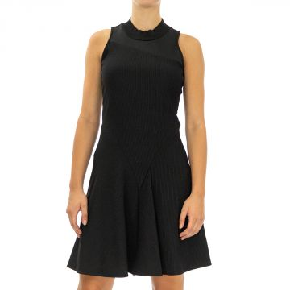 | Armani Exchange | Women | Clothing | Dresses | 280.00 | Fall/Winter | 8054524028899 | 6ZYA80YJV1Z-1200-L | Dress | Black | L | Italy | 100% Polyester | 1 | 46.00 | 46.00 | 115.00
 | Armani Exchange | Women | Clothing | Dresses | 280.00 | Fall/Winter | 8054524028912 | 6ZYA80YJV1Z-1200-S | Dress | Black | S | Italy | 100% Polyester | 1 | 46.00 | 46.00 | 115.00
 | Armani Exchange | Women | Clothing | Dresses | 280.00 | Fall/Winter | 8054524028936 | 6ZYA80YJV1Z-1200-XS | Dress | Black | XS | Italy | 100% Polyester | 1 | 46.00 | 46.00 | 115.00
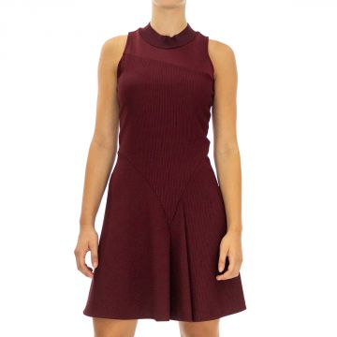 | Armani Exchange | Women | Clothing | Dresses | 280.00 | Fall/Winter | 8054524028998 | 6ZYA80YJV1Z-1715-L | Dress | Red | L | Italy | 100% Polyester | 1 | 46.00 | 46.00 | 115.00
 | Armani Exchange | Women | Clothing | Dresses | 280.00 | Fall/Winter | 8054524029001 | 6ZYA80YJV1Z-1715-M | Dress | Red | M | Italy | 100% Polyester | 1 | 46.00 | 46.00 | 115.00
 | Armani Exchange | Women | Clothing | Dresses | 280.00 | Fall/Winter | 8054524029018 | 6ZYA80YJV1Z-1715-S | Dress | Red | S | Italy | 100% Polyester | 2 | 46.00 | 92.00 | 115.00
 | Armani Exchange | Women | Clothing | Dresses | 280.00 | Fall/Winter | 8054524085748 | 6ZYA82YNDHZ-1200-S | Dress | Black | S | China | 100% Polyester | 1 | 54.00 | 54.00 | 135.00
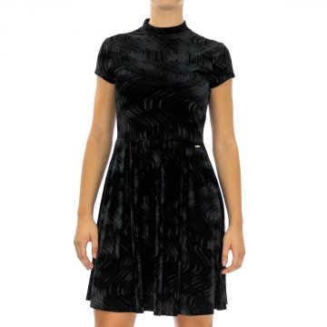 | Armani Exchange | Women | Clothing | Dresses | 280.00 | Fall/Winter | 8054524085793 | 6ZYA83YJU2Z-1200-S | Dress | Black | S | China | 100% Polyester | 1 | 54.00 | 54.00 | 135.00
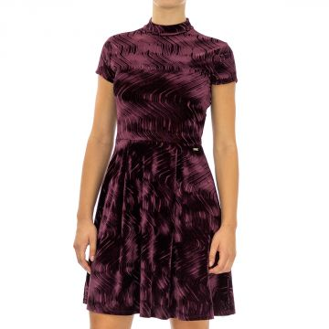 | Armani Exchange | Women | Clothing | Dresses | 280.00 | Fall/Winter | 8054524085892 | 6ZYA83YJU2Z-1715-S | Dress | Violet | S | China | 100% Polyester | 3 | 54.00 | 162.00 | 135.00
 | Armani Exchange | Women | Clothing | Dresses | 280.00 | Fall/Winter | 8054524085908 | 6ZYA83YJU2Z-1715-XL | Dress | Violet | XL | China | 100% Polyester | 5 | 54.00 | 270.00 | 135.00
 | Armani Exchange | Women | Clothing | Dresses | 280.00 | Fall/Winter | 8054524085915 | 6ZYA83YJU2Z-1715-XS | Dress | Violet | XS | China | 100% Polyester | 5 | 54.00 | 270.00 | 135.00
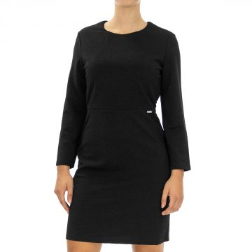 | Armani Exchange | Women | Clothing | Dresses | 280.00 | Fall/Winter | 8054524029063 | 6ZYA86YJV5Z-1200-S | Dress | Black | S | Italy | 100% Polyester | 1 | 44.00 | 44.00 | 110.00
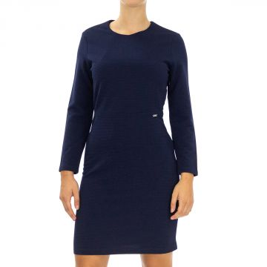 | Armani Exchange | Women | Clothing | Dresses | 280.00 | Fall/Winter | 8054524029100 | 6ZYA86YJV5Z-1554-M | Dress | Blue | M | Italy | 100% Polyester | 2 | 44.00 | 88.00 | 110.00
 | Armani Exchange | Women | Clothing | Dresses | 280.00 | Fall/Winter | 8054524029117 | 6ZYA86YJV5Z-1554-S | Dress | Blue | S | Italy | 100% Polyester | 2 | 44.00 | 88.00 | 110.00
 | Armani Exchange | Women | Clothing | Dresses | 280.00 | Fall/Winter | 8054524029124 | 6ZYA86YJV5Z-1554-XL | Dress | Blue | XL | Italy | 100% Polyester | 1 | 44.00 | 44.00 | 110.00
 | Armani Exchange | Women | Clothing | Dresses | 280.00 | Fall/Winter | 8054524029131 | 6ZYA86YJV5Z-1554-XS | Dress | Blue | XS | Italy | 100% Polyester | 1 | 44.00 | 44.00 | 110.00
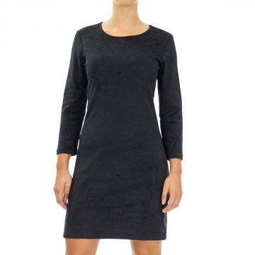 | Armani Exchange | Women | Clothing | Dresses | 280.00 | Fall/Winter | 8054524029162 | 6ZYA88YJU6Z-1200-S | Dress | Black | S | Morocco | 100% Polyester | 1 | 48.00 | 48.00 | 120.00
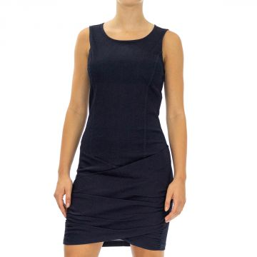 | Armani Exchange | Women | Clothing | Dresses | 280.00 | Fall/Winter | 8054524375771 | 6ZYA90YJY1Z-4535-L | Dress | Blue | L | China | 100% Cotton | 7 | 56.00 | 392.00 | 140.00
 | Armani Exchange | Women | Clothing | Dresses | 280.00 | Fall/Winter | 8054524375788 | 6ZYA90YJY1Z-4535-M | Dress | Blue | M | China | 100% Cotton | 3 | 56.00 | 168.00 | 140.00
 | Armani Exchange | Women | Clothing | Dresses | 280.00 | Fall/Winter | 8054524375818 | 6ZYA90YJY1Z-4535-XS | Dress | Blue | XS | China | 100% Cotton | 6 | 56.00 | 336.00 | 140.00
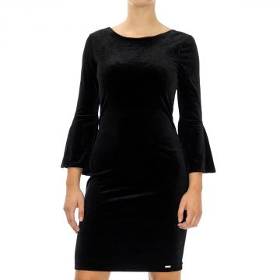 | Armani Exchange | Women | Clothing | Dresses | 280.00 | Fall/Winter | 8054709191332 | 6ZYABPYJQ9Z-1200-L | Dress | Black | L | China | 100% Polyester | 4 | 50.00 | 200.00 | 125.00
 | Armani Exchange | Women | Clothing | Dresses | 280.00 | Fall/Winter | 8054709191349 | 6ZYABPYJQ9Z-1200-M | Dress | Black | M | China | 100% Polyester | 6 | 50.00 | 300.00 | 125.00
 | Armani Exchange | Women | Clothing | Dresses | 280.00 | Fall/Winter | 8054709191356 | 6ZYABPYJQ9Z-1200-S | Dress | Black | S | China | 100% Polyester | 5 | 50.00 | 250.00 | 125.00
 | Armani Exchange | Women | Clothing | Dresses | 280.00 | Fall/Winter | 8054709191370 | 6ZYABPYJQ9Z-1200-XS | Dress | Black | XS | China | 100% Polyester | 3 | 50.00 | 150.00 | 125.00
 | Armani Exchange | Women | Clothing | Dresses | 280.00 | Fall/Winter | 8059972109916 | 6ZYABPYJQ9Z-1833-L | Dress | Green | L | China | 100% Polyester | 1 | 50.00 | 50.00 | 125.00
 | Armani Exchange | Women | Clothing | Dresses | 280.00 | Fall/Winter | 8059972109923 | 6ZYABPYJQ9Z-1833-M | Dress | Green | M | China | 100% Polyester | 4 | 50.00 | 200.00 | 125.00
 | Armani Exchange | Women | Clothing | Dresses | 280.00 | Fall/Winter | 8059972109930 | 6ZYABPYJQ9Z-1833-S | Dress | Green | S | China | 100% Polyester | 4 | 50.00 | 200.00 | 125.00
 | Armani Exchange | Women | Clothing | Dresses | 280.00 | Fall/Winter | 8059972109947 | 6ZYABPYJQ9Z-1833-XL | Dress | Green | XL | China | 100% Polyester | 1 | 50.00 | 50.00 | 125.00
 | Armani Exchange | Women | Clothing | Dresses | 280.00 | Fall/Winter | 8059972109954 | 6ZYABPYJQ9Z-1833-XS | Dress | Green | XS | China | 100% Polyester | 5 | 50.00 | 250.00 | 125.00
 | Armani Exchange | Women | Clothing | Dresses | 280.00 | Fall/Winter | 8059972109961 | 6ZYABRYJX6Z-1200-L | Dress | Black | L | China | 100% Polyester | 8 | 54.00 | 432.00 | 135.00
 | Armani Exchange | Women | Clothing | Dresses | 280.00 | Fall/Winter | 8059972109978 | 6ZYABRYJX6Z-1200-M | Dress | Black | M | China | 100% Polyester | 7 | 54.00 | 378.00 | 135.00
 | Armani Exchange | Women | Clothing | Dresses | 280.00 | Fall/Winter | 8059972109992 | 6ZYABRYJX6Z-1200-XL | Dress | Black | XL | China | 100% Polyester | 6 | 54.00 | 324.00 | 135.00
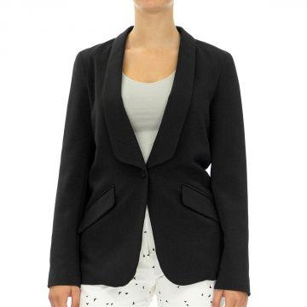 | Armani Exchange | Women | Clothing | Blazers | 280.00 | Fall/Winter | 8055185211897 | 6ZYG36YNGLZ-1200-10 | Jacket | Black | 10 | Italy | 100% Polyester | 1 | 76.00 | 76.00 | 190.00
 | Armani Exchange | Women | Clothing | Blazers | 280.00 | Fall/Winter | 8055185211927 | 6ZYG36YNGLZ-1200-2 | Jacket | Black | 2 | Italy | 100% Polyester | 1 | 76.00 | 76.00 | 190.00
 | Armani Exchange | Women | Clothing | Blazers | 280.00 | Fall/Winter | 8055185211934 | 6ZYG36YNGLZ-1200-4 | Jacket | Black | 4 | Italy | 100% Polyester | 1 | 76.00 | 76.00 | 190.00
 | Armani Exchange | Women | Clothing | Blazers | 280.00 | Fall/Winter | 8055185211941 | 6ZYG36YNGLZ-1200-6 | Jacket | Black | 6 | Italy | 100% Polyester | 1 | 76.00 | 76.00 | 190.00
 | Armani Exchange | Women | Clothing | Blazers | 280.00 | Fall/Winter | 8055185211958 | 6ZYG36YNGLZ-1200-8 | Jacket | Black | 8 | Italy | 100% Polyester | 1 | 76.00 | 76.00 | 190.00
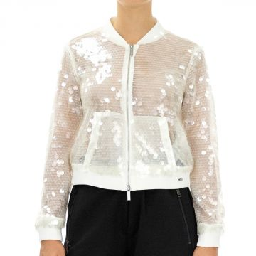 | Armani Exchange | Women | Clothing | Jackets | 280.00 | Fall/Winter | 8054524090919 | 6ZYG37YNGJZ-1107-10 | Jacket | White | 10 | China | 100% Pa | 4 | 88.00 | 352.00 | 220.00
 | Armani Exchange | Women | Clothing | Jackets | 280.00 | Fall/Winter | 8054524090926 | 6ZYG37YNGJZ-1107-12 | Jacket | White | 12 | China | 100% Pa | 4 | 88.00 | 352.00 | 220.00
 | Armani Exchange | Women | Clothing | Jackets | 280.00 | Fall/Winter | 8054524090940 | 6ZYG37YNGJZ-1107-2 | Jacket | White | 2 | China | 100% Pa | 6 | 88.00 | 528.00 | 220.00
 | Armani Exchange | Women | Clothing | Jackets | 280.00 | Fall/Winter | 8054524090957 | 6ZYG37YNGJZ-1107-4 | Jacket | White | 4 | China | 100% Pa | 8 | 88.00 | 704.00 | 220.00
 | Armani Exchange | Women | Clothing | Jackets | 280.00 | Fall/Winter | 8054524090964 | 6ZYG37YNGJZ-1107-6 | Jacket | White | 6 | China | 100% Pa | 10 | 88.00 | 880.00 | 220.00
 | Armani Exchange | Women | Clothing | Jackets | 280.00 | Fall/Winter | 8054524090971 | 6ZYG37YNGJZ-1107-8 | Jacket | White | 8 | China | 100% Pa | 10 | 88.00 | 880.00 | 220.00
 | Armani Exchange | Women | Clothing | Jackets | 280.00 | Fall/Winter | 8054524090988 | 6ZYG37YNGJZ-1200-0 | Jacket | Black | 0 | China | 100% Pa | 1 | 88.00 | 88.00 | 220.00
 | Armani Exchange | Women | Clothing | Jackets | 280.00 | Fall/Winter | 8054524090995 | 6ZYG37YNGJZ-1200-10 | Jacket | Black | 10 | China | 100% Pa | 9 | 88.00 | 792.00 | 220.00
 | Armani Exchange | Women | Clothing | Jackets | 280.00 | Fall/Winter | 8054524091008 | 6ZYG37YNGJZ-1200-12 | Jacket | Black | 12 | China | 100% Pa | 2 | 88.00 | 176.00 | 220.00
 | Armani Exchange | Women | Clothing | Jackets | 280.00 | Fall/Winter | 8054524091022 | 6ZYG37YNGJZ-1200-2 | Jacket | Black | 2 | China | 100% Pa | 7 | 88.00 | 616.00 | 220.00
 | Armani Exchange | Women | Clothing | Jackets | 280.00 | Fall/Winter | 8054524091039 | 6ZYG37YNGJZ-1200-4 | Jacket | Black | 4 | China | 100% Pa | 9 | 88.00 | 792.00 | 220.00
 | Armani Exchange | Women | Clothing | Jackets | 280.00 | Fall/Winter | 8054524091046 | 6ZYG37YNGJZ-1200-6 | Jacket | Black | 6 | China | 100% Pa | 15 | 88.00 | 1320.00 | 220.00
 | Armani Exchange | Women | Clothing | Jackets | 280.00 | Fall/Winter | 8054524091053 | 6ZYG37YNGJZ-1200-8 | Jacket | Black | 8 | China | 100% Pa | 14 | 88.00 | 1232.00 | 220.00
 | Armani Exchange | Women | Clothing | Jackets | 150.00 | Fall/Winter | 0470013915828 | 6ZYG81YJB7Z-1200-M | Jacket | Black | M | China | 70% Vi 30% Poly | 1 | 80.00 | 80.00 | 200.00
 | Armani Exchange | Women | Clothing | Jackets | 150.00 | Fall/Winter | 0470013915835 | 6ZYG81YJB7Z-1200-XL | Jacket | Black | XL | China | 70% Vi 30% Poly | 1 | 80.00 | 80.00 | 200.00
 | Armani Exchange | Women | Clothing | Coats | 280.00 | Fall/Winter | 8054524097444 | 6ZYK04YNEDZ-1200-L | Caban Coat | Grey | L | China | 100% Polyester | 2 | 84.00 | 168.00 | 210.00
 | Armani Exchange | Women | Clothing | Coats | 280.00 | Fall/Winter | 8054524097451 | 6ZYK04YNEDZ-1200-M | Caban Coat | Grey | M | China | 100% Polyester | 1 | 84.00 | 84.00 | 210.00
 | Armani Exchange | Women | Clothing | Coats | 280.00 | Fall/Winter | 8054524097468 | 6ZYK04YNEDZ-1200-S | Caban Coat | Grey | S | China | 100% Polyester | 3 | 84.00 | 252.00 | 210.00
 | Armani Exchange | Women | Clothing | Coats | 280.00 | Fall/Winter | 8054524097482 | 6ZYK04YNEDZ-1200-XS | Caban Coat | Grey | XS | China | 100% Polyester | 3 | 84.00 | 252.00 | 210.00
 | Armani Exchange | Women | Clothing | Coats | 280.00 | Fall/Winter | 8054524097512 | 6ZYK04YNEDZ-1445-S | Caban Coat | Red | S | China | 100% Polyester | 1 | 84.00 | 84.00 | 210.00
 | Armani Exchange | Women | Clothing | Coats | 280.00 | Fall/Winter | 8054524099295 | 6ZYK30YNGDZ-1938-L | Caban Coat | SIlver | L | China | 100% Polyester | 36 | 100.00 | 3600.00 | 250.00
 | Armani Exchange | Women | Clothing | Coats | 280.00 | Fall/Winter | 8054524099301 | 6ZYK30YNGDZ-1938-M | Caban Coat | SIlver | M | China | 100% Polyester | 18 | 100.00 | 1800.00 | 250.00
 | Armani Exchange | Women | Clothing | Coats | 280.00 | Fall/Winter | 8054524099318 | 6ZYK30YNGDZ-1938-S | Caban Coat | SIlver | S | China | 100% Polyester | 18 | 100.00 | 1800.00 | 250.00
 | Armani Exchange | Women | Clothing | Coats | 280.00 | Fall/Winter | 8054524099332 | 6ZYK30YNGDZ-1938-XS | Caban Coat | SIlver | XS | China | 100% Polyester | 22 | 100.00 | 2200.00 | 250.00
 | Armani Exchange | Women | Clothing | Coats | 280.00 | Fall/Winter | 8054524099509 | 6ZYK35YNGFZ-1640-M | Caban Coat | Orange | M | China | 100% Wool | 5 | 144.00 | 720.00 | 360.00
 | Armani Exchange | Women | Clothing | Coats | 280.00 | Fall/Winter | 8054524099516 | 6ZYK35YNGFZ-1640-S | Caban Coat | Orange | S | China | 100% Wool | 2 | 144.00 | 288.00 | 360.00
 | Armani Exchange | Women | Clothing | Coats | 280.00 | Fall/Winter | 8054524099530 | 6ZYK35YNGFZ-1640-XS | Caban Coat | Orange | XS | China | 100% Wool | 2 | 144.00 | 288.00 | 360.00
 | Armani Exchange | Women | Clothing | Coats | 280.00 | Fall/Winter | 8054524099790 | 6ZYK65Y1WCZ-1500-L | Caban Coat | Denim | L | China | 100% Cotton | 4 | 96.00 | 384.00 | 240.00
 | Armani Exchange | Women | Clothing | Coats | 280.00 | Fall/Winter | 8054524099806 | 6ZYK65Y1WCZ-1500-M | Caban Coat | Denim | M | China | 100% Cotton | 5 | 96.00 | 480.00 | 240.00
 | Armani Exchange | Women | Clothing | Coats | 280.00 | Fall/Winter | 8054524099820 | 6ZYK65Y1WCZ-1500-XL | Caban Coat | Denim | XL | China | 100% Cotton | 4 | 96.00 | 384.00 | 240.00
 | Armani Exchange | Women | Clothing | Coats | 280.00 | Fall/Winter | 8054524099875 | 6ZYK66Y1WCZ-1500-XL | Caban Coat | Denim | XL | China | 100% Cotton | 1 | 84.00 | 84.00 | 210.00
 | Armani Exchange | Men | Clothing | Jackets | 280.00 | Fall/Winter | 8054524050296 | 6ZZG08Z1GFZ-5565-S | Jacket | Blue | S | Mauritius | 100% Cotton | 2 | 76.00 | 152.00 | 190.00
 | Armani Exchange | Men | Clothing | Jackets | 280.00 | Fall/Winter | 8054524136747 | 6ZZG09Z3DNZ-1500-XS | Jacket | Denim | XS | Vietnam | 100% Cotton | 1 | 80.00 | 80.00 | 200.00
 | Armani Exchange | Men | Clothing | Blazers | 280.00 | Fall/Winter | 8054524137010 | 6ZZG1BZME5Z-4590-M | Jacket | Navy | M | China | 100% Acrylic | 1 | 68.00 | 68.00 | 170.00
 | Armani Exchange | Men | Clothing | Jackets | 280.00 | Fall/Winter | 8054524137089 | 6ZZG1CZMH5Z-1200-S | Jacket | Black | S | China | 100% Cotton | 1 | 64.00 | 64.00 | 160.00
 | Armani Exchange | Men | Clothing | Jackets | 280.00 | Fall/Winter | 8054524137102 | 6ZZG1CZMH5Z-1200-XS | Jacket | Black | XS | China | 100% Cotton | 3 | 64.00 | 192.00 | 160.00
 | Armani Exchange | Men | Clothing | Blazers | 280.00 | Fall/Winter | 8054524137133 | 6ZZG1CZMH5Z-1510-M | Jacket | Navy | M | China | 100% Cotton | 1 | 64.00 | 64.00 | 160.00
 | Armani Exchange | Men | Clothing | Blazers | 280.00 | Fall/Winter | 8054524137270 | 6ZZG30ZNKDZ-1200-40 | Jacket | Black | 40 | Myanmar | 100% Polyester | 1 | 72.00 | 72.00 | 180.00
 | Armani Exchange | Men | Clothing | Blazers | 280.00 | Fall/Winter | 8054524137294 | 6ZZG30ZNKDZ-1200-44 | Jacket | Black | 44 | Myanmar | 100% Polyester | 2 | 72.00 | 144.00 | 180.00
 | Armani Exchange | Men | Clothing | Blazers | 280.00 | Fall/Winter | 8054524137317 | 6ZZG30ZNKDZ-1510-34 | Jacket | Navy | 34 | Myanmar | 100% Polyester | 2 | 72.00 | 144.00 | 180.00
 | Armani Exchange | Men | Clothing | Blazers | 280.00 | Fall/Winter | 8054524137324 | 6ZZG30ZNKDZ-1510-36 | Jacket | Navy | 36 | Myanmar | 100% Polyester | 3 | 72.00 | 216.00 | 180.00
 | Armani Exchange | Men | Clothing | Blazers | 280.00 | Fall/Winter | 8054524137331 | 6ZZG30ZNKDZ-1510-38 | Jacket | Navy | 38 | Myanmar | 100% Polyester | 5 | 72.00 | 360.00 | 180.00
...

